Sheet2
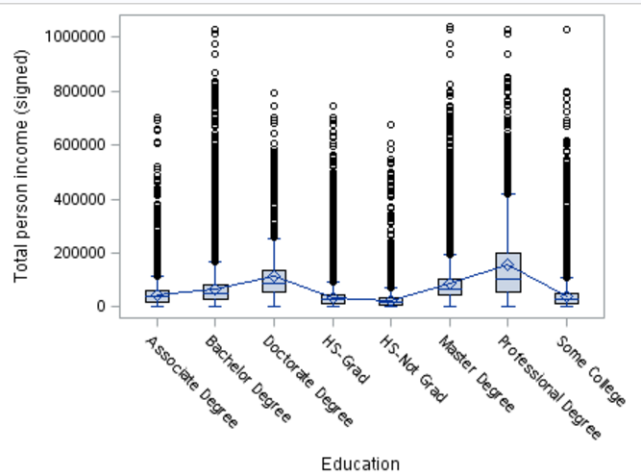
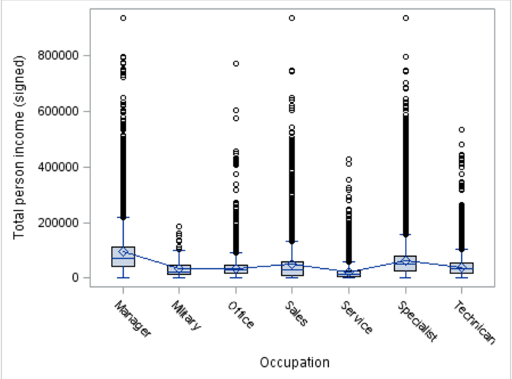

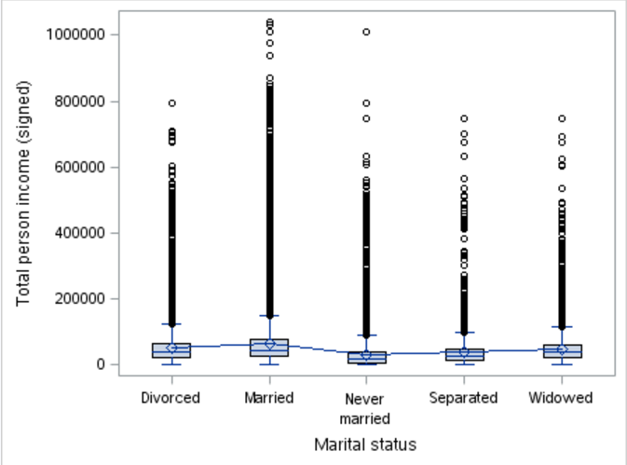
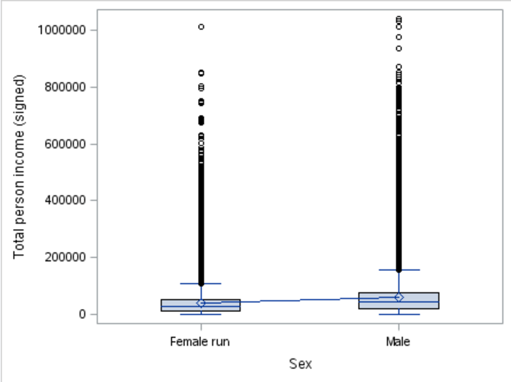

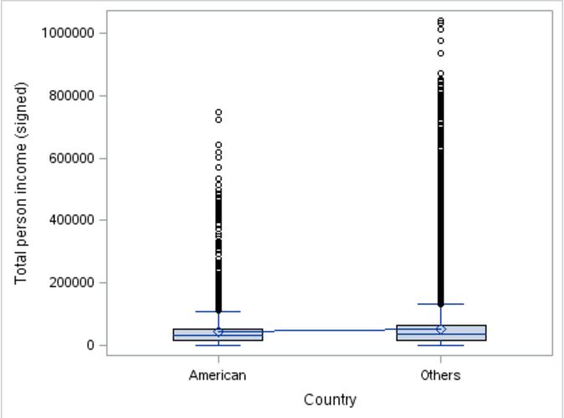
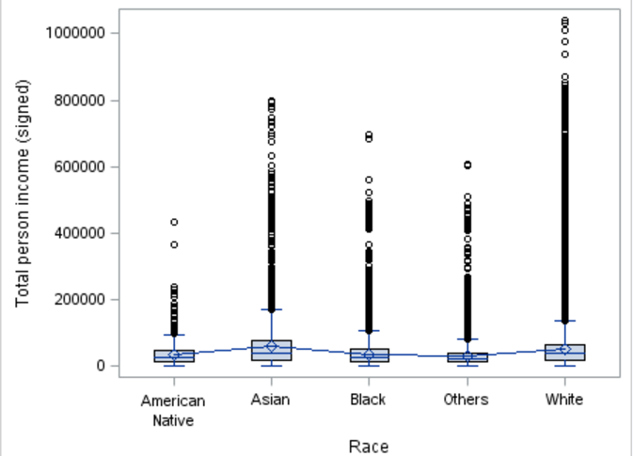

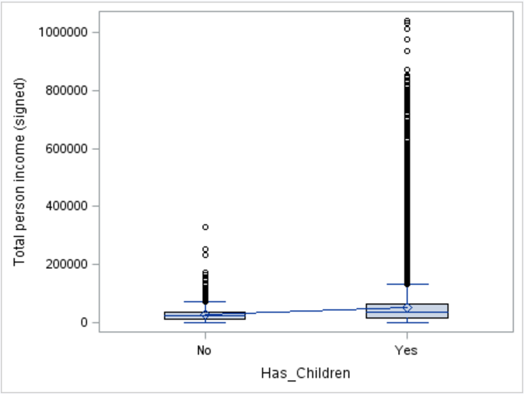
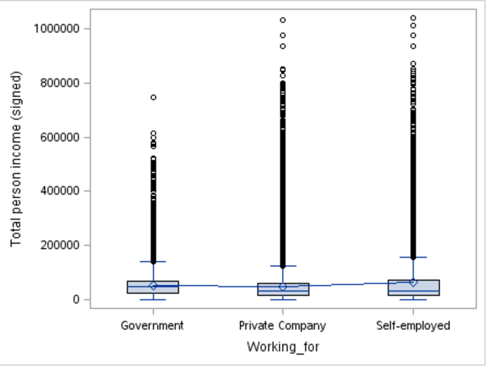

Sheet4
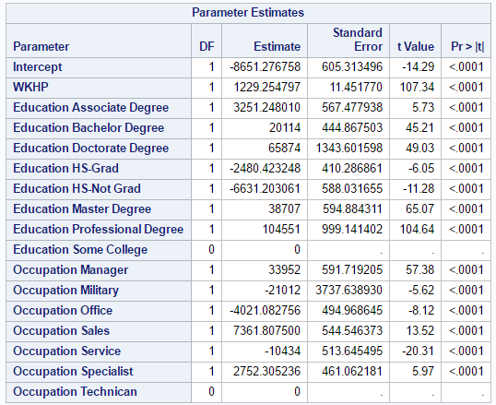
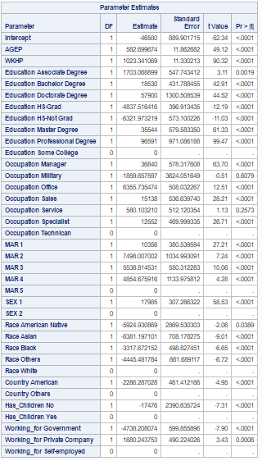
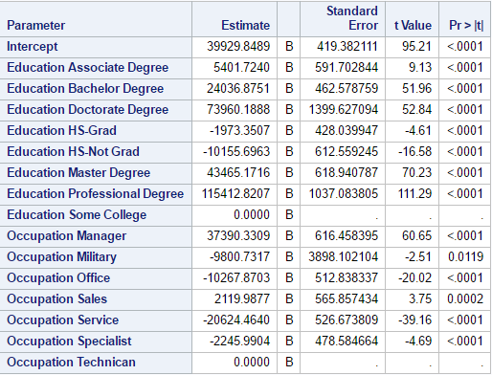
response variable | predictor variables | R-Square | adjusted R-squared value | F Value | Pr > F
PINCP | Occupation | 0.118302 |  | 2909.53 | <.0001
 | WKHP | 0.124 | 0.124 | 46361 | <.0001
 | Education | 0.170951 |  | 9647.75 | <.0001
 | AGEP WKHP Education Occupation MAR SEX Race Country Has_Children Working_for | 0.345 | 0.3449 | 2447.24 | <.0001
 | WKHP Education Occupation | 0.2935 | 0.2934 | 3859.61 | <.0001

